Sales
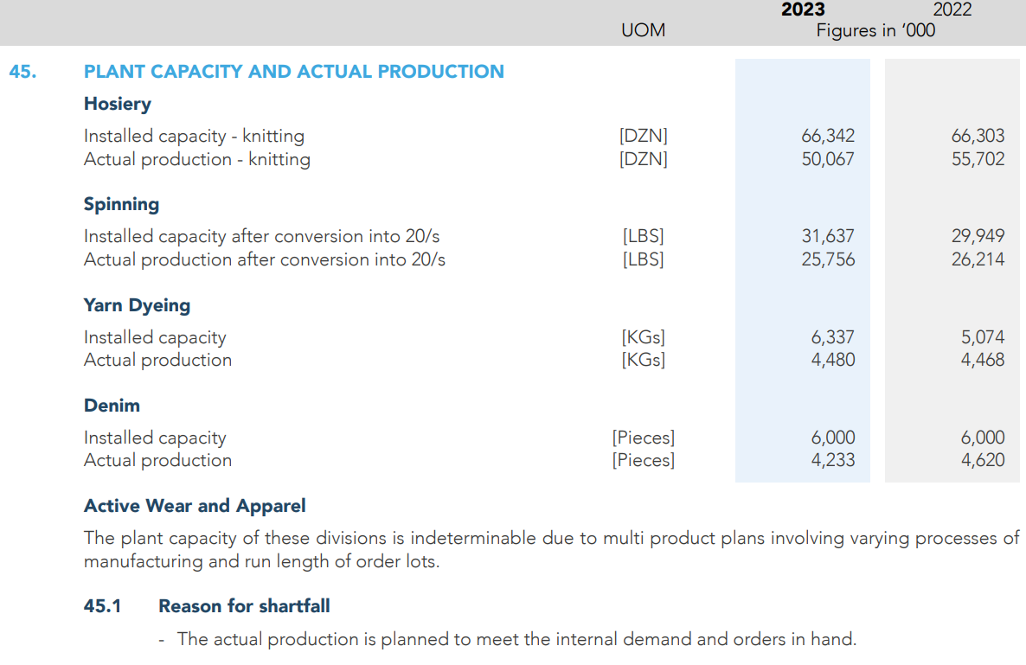
Sales - Net

 | 2019A | 2020A | 2021A | 2022A | 2023A | 2024F | 2025F | 2026F | 2027F | 2028F
 | (Rupees‘000)
Export Sales | 33,941,213 | 33,326,780 | 50,368,323 | 84,230,046 | 112,942,064 | 170,335,650 | 340,671,299 | 513,789,682 | 770,684,523 | 1,156,026,785
Local Sales | 3,775,022 | 3,765,833 | 5,515,410 | 8,114,857 | 7,776,228 | 7,776,228 | 7,776,228 | 7,776,228 | 7,776,228 | 7,776,228
 | 37,716,235 | 37,092,613 | 55,883,733 | 92,344,903 | 120,718,292 | 178,111,878 | 348,447,527 | 521,565,910 | 778,460,751 | 1,163,803,013
Less:
Sales Discount | (206,792) | (246,720) | (113,523) | (283,818) | (377,444) | (378,981) | (380,525) | (382,075) | (383,631) | (385,194)
Sales Tax | (31,122) | (543,099) | (807,945) | (1,167,036) | (1,140,555) | (1,152,419) | (1,181,230) | (1,209,579) | (1,238,609) | (1,268,336)
 | (237,914) | (789,819) | (921,468) | (1,450,854) | (1,517,999) | (1,531,401) | (1,561,755) | (1,591,654) | (1,622,240) | (1,653,529)
 | 37,478,321 | 36,302,794 | 54,962,265 | 90,894,049 | 119,200,293 | 176,580,477 | 346,885,773 | 519,974,256 | 776,838,511 | 1,162,149,483

Export Sales |  | -1.81% | 51.13% | 67.23% | 34.09% | 50.82% | 100.00% | 50.82% | 50.00% | 50.00%
Local Sales |  | -0.24% | 46.46% | 47.13% | -4.17% | 0.00% | 0.00% | 0.00% | 0.00% | 0.00%
Sales Discount | 0.55% | 0.67% | 0.20% | 0.31% | 0.31% | 0.41% | 0.41% | 0.41% | 0.41% | 0.41%
Sales Tax | 0.08% | 1.46% | 1.45% | 1.26% | 0.94% | 1.04% | 2.50% | 2.40% | 2.40% | 2.40%

